Data input
Used Load cases
DA1-1: A1+M1+R1
DA1-2: A2+M1+R4
 |  |  | Project: |  |  |  |  |  | Job Ref:
 |  |  | Example Project |  |  |  |  |  | Eample Job No.
 |  |  | Structure: |  |  |  |  |  | Sheet No/Rev: |  | Partial Factors on Resistance (Table A.6 & A.7, EN 1997−1:2004)
Phicon Ltd | Pentire House | 9 Beach Rd | Newquay | TR7 1ES |  |  | Example Structure |  |  |  |  |  |  |  | Load Case | DA1-1 (R1) |  | DA1-2 (R4)
 |  |  | Client: |  | Calc by: |  | Date | Check by: |  | Date | Pile Type | Driven | Bored | Driven | Bored
 |  |  | Example Client |  | Example Engineer |  | 2025-11-27 | Example Checker |  | 2025-11-27 | Base, γb | 1 | 1.25 | 1.3 | 1.6
REF | CALCULATION |  |  |  |  |  |  |  |  | OUTPUT | Shaft, γs | 1 | 1 | 1.3 | 1.3
 |  |  |  |  |  |  |  |  |  |  | Total, γt | 1 | 1.15 | 1.3 | 1.5
 |  | PILE FOUNDATION: BEARING CAPACITY OF BORED PILE/DRILLED SHAFT |  |  |  |  |  |  |  |  | Tension, γs:t | 1.25 | 1.25 | 1.6 | 1.6
 | This spreadsheet evaluates the vertical load-bearing capacity of a single pile in accordance with the Eurocode 7 Ultimate Limit State (ULS) approach. It can analyze bored piles/drilled shaft for both short and long term capacity. The analysis verifies Ground Failure (GEO) using partial factors on actions and soil resistance. Pile capacity is determined from the combined contribution of shaft friction and end bearing based on the soil profile and pile geometry, ensuring compliance with Eurocode 7 design principles.
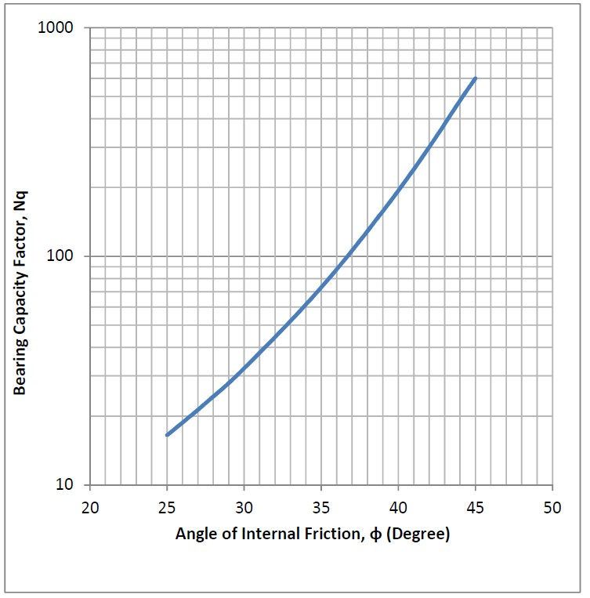
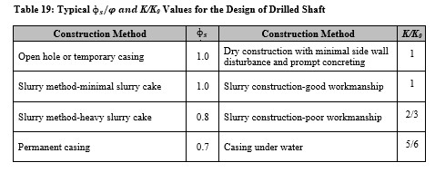
Pile design formula
Short Term: Clay undrained & sand drained condition:
Cohesive Soil (Clay):
Short Term (Total stress, α method)
Base = Nc Cb Ab
Shaft = α Cu As
Long term (Effective stress, β method)
Base = σ'v Nq Ab
Shaft = Ks tanδ σ'v As
Cohesionless Soil (Sand):
Short term/long term (Effective stress, β method)
Base = σ'v Nq Ab
Shaft = Ks tanδ σ'v As
Where;
$N_{c}=\left[1+0.2\left(\frac{L}{D_{b}}\right)\right]≤9$]
α = 1, for $c_{u}≤$25 kPa, $_{}$=0.5 for $c_{u}≥$70 kPa, and $_{}$= 1-$\frac{C_{u}−25}{70}$ for 25 kPa $< c_{u}<$70 kPa
Cu = Undrained shearstrength/Cohesion
Ab = Base area
As = Shaft area
Nq = After Berezantzev et. al. 1961 (graph)
σ'v = Effective stress
Ks = 1-sinф' (if not input)
δ = 1 * friction angle
Minimum of Total Resistance/γ_{t} or Base Resistance/γ_{b} + Shaft Resistance/γ_{s}
Bearing capacity factor Nq for deep foundation (After Berezantzev et. al. 1961)

 |  | Data Input

 |  |  | 1. Pile/ground geometry

 |  |  | Length of pile | L = | 30.00 | m
 |  |  | Diameter of pile | D = | 1200.00 | mm
 |  |  | Unit Weight of Concrete | γconc = | 24.00 | kN/m3
 |  |  | Existing Ground Level | EGL = | 10.00 | m_Elevation
 |  |  | Groundwater Table | GWT = | 5.00 | m_Elevation
 |  |  | Excavation Level | Exc= | 3.00 | m_Elevation
 |  |  |  | Dewatered after excavation= | No

 |  |  | 2. Loads in action

 |  |  | Applied vertical permanent load | Vp = | 2000.00 | kN
 |  |  | Applied vertical variable load | Vv = | 1000.00 | kN
 |  |  | Maximum uplift load | Fup = | 1000.00 | kN

 |  |  | 3. Characteristic material properties by layers

 |  | Depth (m_Elevation) | Formation (Soil Type) | Undrained Cohesion (kPa) |  | Avg. Effective Friction angle | Avg. unit weight of soil (kN/m3) | Coefficient of earth pressure
 |  |  |  | Layer surface | Layer bottom
 |  | 10.00 | MG | 0.00 | 0.00 | 27.00° | 17.00
 |  | 7.00 | CLAY | 60.00 | 70.00 | 22.00° | 18.00
 |  | -10.00 | CLAY | 75.00 | 90.00 | 24.00° | 20.00
 |  | -15.00 | SAND | 0.00 | 0.00 | 30.00° | 18.00
 |  | -20.00 | SAND | 0.00 | 0.00 | 32.00° | 19.00
 |  | -25.00 | SAND | 0.00 | 0.00 | 34.00° | 20.00

 |  |  | 4. Limiting pile capacity

 |  |  | Unit base resistance limitation | fb = | 4000.00 | kPa
 |  |  | Unit shaft resistance limitation | fs = | 100.00 | kPa
 |  |  | Unit uplift resistance limitation | fs:t = | 70.00 | kPa

 |  |  |  | Pile embedded level = | -20.00 | m_Elevation

 |  |  | 5. Result of the analysis

 |  |  | Design Approach 1, Combination 1

 |  |  | Design compressive actions | Ed;c = | 4200 | kN
 |  |  | Design uplift actions | Ed;up = | 1500 | kN

 |  |  |  | Short term pile capacity
 |  |  | Design compressive resistance | Rd;c = | 4067 | kN
 |  |  | Design uplift resistance | Rd;up = | 1018 | kN

 |  |  |  | Safety factors
 |  |  | Overdesign factor for comp. resistance | Γc = | 0.97
 |  |  | Proportion of available comp. resistance used | Λc = | 103%
 |  |  |  | Not Safe: The pile fails to resist the applied compression load for short term
 |  |  | Overdesign factor for uplift resistance | Γt = | 0.68
 |  |  | Proportion of available uplift resistance used | Λt = | 147%
 |  |  |  | Not Safe: The pile fails to resist the applied uplift load for short term

 |  |  |  | Long term pile capacity
 |  |  | Design compressive resistance | Rd;c = | 5212 | kN
 |  |  | Design uplift resistance | Rd;up = | 1724 | kN

 |  |  |  | Safety factors
 |  |  | Overdesign factor for comp. resistance | Γc = | 1.24
 |  |  | Proportion of available comp. resistance used | Λc = | 81%
 |  |  |  | Safe: The pile effectively resists the applied compression load for short term
 |  |  | Overdesign factor for uplift resistance | Γt = | 1.15
 |  |  | Proportion of available uplift resistance used | Λt = | 87%
 |  |  |  | Safe: The pile effectively resists the applied uplift load for short term

 |  |  | Design Approach 1, Combination 2

 |  |  | Design compressive actions | Ed;c = | 3300 | kN
 |  |  | Design uplift actions | Ed;up = | 1300 | kN

 |  |  |  | Short term pile capacity
 |  |  | Design compressive resistance | Rd;c = | 1889 | kN
 |  |  | Design uplift resistance | Rd;up = | 761 | kN

 |  |  |  | Safety factors
 |  |  | Overdesign factor for comp. resistance | Γc = | 0.59
 |  |  | Proportion of available comp. resistance used | Λc = | 175%
 |  |  |  | Not Safe: The pile fails to resist the applied compression load for long term
 |  |  | Overdesign factor for uplift resistance | Γt = | 0.59
 |  |  | Proportion of available uplift resistance used | Λt = | 171%
 |  |  |  | Not Safe: The pile fails to resist the applied uplift load for long term

 |  |  |  | Long term pile capacity
 |  |  | Design compressive resistance | Rd;c = | 2662 | kN
 |  |  | Design uplift resistance | Rd;up = | 1246 | kN

 |  |  |  | Safety factors
 |  |  | Overdesign factor for comp. resistance | Γc = | 0.81
 |  |  | Proportion of available comp. resistance used | Λc = | 124%
 |  |  |  | Not Safe: The pile fails to resist the applied compression load for long term
 |  |  | Overdesign factor for uplift resistance | Γt = | 0.96
 |  |  | Proportion of available uplift resistance used | Λt = | 104%
 |  |  |  | Not Safe: The pile fails to resist the applied uplift load for long term

