Data input
Used Load cases
DA1-1: A1+M1+R1
DA1-2: A2+M1+R4
 |  |  | Project: |  |  |  |  |  | Job Ref:
 |  |  | Example Project |  |  |  |  |  | Eample Job No.
 |  |  | Structure: |  |  |  |  |  | Sheet No/Rev: |  |  |  |  | Partial Factors on Resistance (Table A.6 & A.7, EN 1997−1:2004)
Phicon Ltd | Pentire House | 9 Beach Rd | Newquay | TR7 1ES |  |  | Example Structure |  |  |  |  |  |  |  |  |  |  | Load Case | DA1-1 (R1) |  | DA1-2 (R4)
 |  |  | Client: |  | Calc by: |  | Date | Check by: |  | Date |  |  |  | Pile Type | Driven | Bored | Driven | Bored
 |  |  | Example Client |  | Example Engineer |  | 2025-11-03 | Example Checker |  | 2025-11-03 |  |  |  | Base, γb | 1 | 1.25 | 1.3 | 1.6
REF | CALCULATION |  |  |  |  |  |  |  |  | OUTPUT |  |  |  | Shaft, γs | 1 | 1 | 1.3 | 1.3
 |  |  |  |  |  |  |  |  |  |  |  |  |  | Total, γt | 1 | 1.15 | 1.3 | 1.5
 |  | PILE FOUNDATION: BEARING CAPACITY FROM GROUND TEST RESULT
 | This spreadsheet evaluates the vertical load-bearing capacity of a single pile in accordance with the Eurocode 7 Ultimate Limit State (ULS) approach. It can analyze both bored and driven piles under either drained or undrained conditions, depending on the input data. The analysis verifies Ground Failure (GEO) using partial factors on actions and soil resistance. Pile capacity is determined from the combined contribution of shaft friction and end bearing based on the soil profile and pile geometry, ensuring compliance with Eurocode 7 design principles. |  |  |  |  |  |  |  |  |  | Corelation Factors to derive characteristic values from ground test results (Table A.10, EN 1997−1:2004)
 |  |  |  |  |  |  |  |  |  |  | n | 1 | 2 | 3 | 4 | 5 | 6 | 7 | 8 | 9 | 10
 |  |  |  |  |  |  |  |  |  |  | x3 | 1.40 | 1.35 | 1.33 | 1.31 | 1.29 | 1.28 | 1.27 | 1.26 | 1.26 | 1.25
 |  |  |  |  |  |  |  |  |  |  | x4 | 1.40 | 1.27 | 1.23 | 1.20 | 1.15 | 1.14 | 1.12 | 1.11 | 1.09 | 1.08

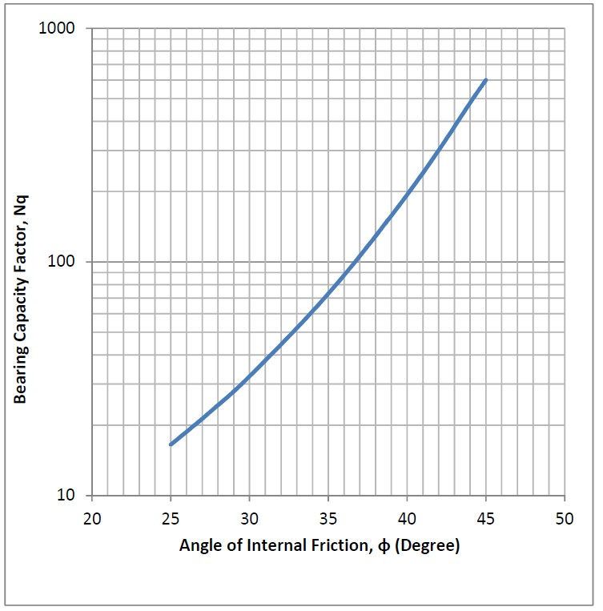
Bearing capacity factor Nq for deep foundation (After Berezantzev et. al. 1961)
 |  | Data Input

 |  |  | 1. Pile geometry
 |  |  |  | Type of pile | Driven
 |  |  |  | Analysis Condition | Undrained | (Please input data as required in drained/undrained analysis)
 |  |  | Length of pile | L = | 10.00 | m
 |  |  | Diameter of pile | D = | 0.70 | m
 |  |  | Groundwater table (drained condition only) | GWT = | 0.00 | m (below ground level)

 |  |  | 2. Loads in action
 |  |  | Applied vertical permanent load | Vp = | 500.00 | kN (Including self weight of pile)
 |  |  | Applied vertical Variable load | Vv = | 150.00 | kN

 |  |  | 3. Characteristic material properties
 | Mean undrained strength, Cu (kPa)
 |  | Borehole | Shaft | Base
 |  | BH-01 = | 65.00 | 90.00
 |  | BH-02 = | 62.00 | 79.00
 |  | BH-03 = | 70.00 | 96.00
 |  | BH-04 = | 73.00 | 100.00
 |  | BH-05 =
 |  | BH-06 =
 |  | BH-07 =
Pile design formula
Undrained Condition:
Base = Nc Cb Ab
Shaft = α Cu As
Where;
Nc = 9
α = 0.7, but 1 for soft clay (Cohesion <50 kPa)
Cb/Cu = Undrained shearstrength/Cohesion
Ab = Base area
As = Shaft area
Drained Condition:
Base = σ'v Nq Ab
Shaft = Ks σ'v tanδ As
Where;
Nq = After Berezantzev et. al. 1961 (graph)
σ'v = Effective stress (average along the shaft)
Ks = 1 for friction angle <34, 2 for >34
δ = 0.75 * friction angle
 |  | BH-08 =
 |  | BH-09 =
 |  | BH-10 =

 |  |  | 4. Result of the analysis
 |  |  | Design Approach 1, Combination 1
 |  |  | Design resistance | Rd = | 1023.37 | kN
 |  |  | Design actions | Fd = | 900.00 | kN
 |  |  | Overdesign factor for bearing resistance | Γ = | 1.14
 |  |  | Proportion of available resistance used | Λ = | 87.94%
 |  |  |  | Safe: Adequate capacity.

 |  |  | Design Approach 1, Combination 2
 |  |  | Design resistance | Rd = | 787.21 | kN
 |  |  | Design actions | Fd = | 695.00 | kN
 |  |  | Overdesign factor for bearing resistance | Γ = | 1.13
 |  |  | Proportion of available resistance used | Λ = | 88.29%
 |  |  |  | Safe: Adequate capacity.

